Sheet1
typehead suggestion

Requirement
Capacity Estimation and Constraints
questions / alogorithm

Data Partition
functional
non-functional
should we case-sensitive trie ? no, for simplicity let's assume our trie is case-insensitive
Replication and Load Balancer
some design considerations
1- system suggest word based on user input up to 10 words
1- high uptime (reliablity)
2- highly available
3- low latency
4- max latency for suggestion : 200ms
how to find top suggestion ? by storing count of top suggestion
range-based
based on capacity of the server
based on hash of the tem
we need system that can stored data which can queried quickly
can we store top suggestion with each node ? we can store top 10 suggestion on each node. but we can optimize our storage by storing only reference to terminal nodes
use master-slave configuration

use trie-db (which has tree like data structure) for tree search
how to update trie ? one solution could be offline-updating , using Map-Reduce which can calculate word frequencies in specified time
lead to unbalanced servers

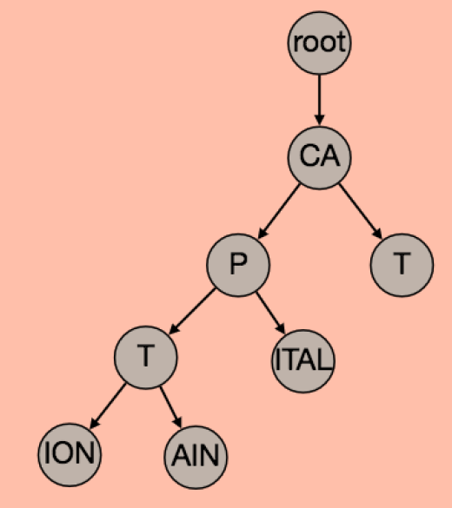

how to update trie ? one solution could be offline-updating
Cache

Cache most searched keywords
develop simple machine learning tool to predict engagement

client

improve experience for user by :

1- the client should hit the server after client didn't press any key after 50ms
2- in the user typing constantyl, the client can stop the progress
3- client can wait until user input some chars
4- client can store the recent history
5- establish connection to server when the user try to open search engine
6- use CDN for caching some words

